Ref_TotalNitrogen
Total Nitrogen Calculation

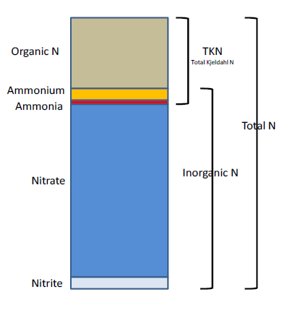
The logic for calculated Total Nitrogen was provided by Kevin O’Donnell and colleagues at FDEP (with the help of Jay Silvanima, Watershed Monitoring Section). The following logic is used, in this order, based on the availability of specific nitrogen components. The actual SQL code used to produce the calculation is provided in Appendix A: SQL Code for Total Nitrogen Calculation.
1) TN = TKN + NO3O2;
2) TN = TKN + NO3 + NO2;
3) TN = ORGN + NH4 + NO3O2;
4) TN = ORGN + NH4 + NO2 + NO3;
5) TN = TKN + NO3;
6) TN = ORGN + NH4 + NO3;

Additional Information:
· Rules for use of sample fraction:
 | FDEP report that if both “Total” and “Dissolved” are reported, only “Total” is used. If the total is not reported, they do use dissolved as a best available replacement.
 | An analysis of all SEACAR data shows that 90% of all possible TN calculations can be done using nitrogen components with the same sample fraction, rather than use nitrogen components with mixed total/dissolved sample fractions. In other words, TN can be calculated when TKN and NO3O2 are both total sample fraction, or when both are dissolved sample fraction. This is important, because then the calculated TN value is not based on components with mixed sample fractions.
· Values inserted into data:
o ParameterName = “Total Nitrogen”
o SEACAR_QAQCFlagCode = “1Q”
o SEACAR_QAQC_Description = “SEACAR Calculated”

